Daily Power Station Chart_14-01
Plant_29/01/2025Chart

Plant:odco1 |  |  | Installed Capacity:111.180kWp
Today Yield(kWh):316.400kWh |  | Today Earning:126560.000TND |  | Today Full Load Hours(h):2.85h

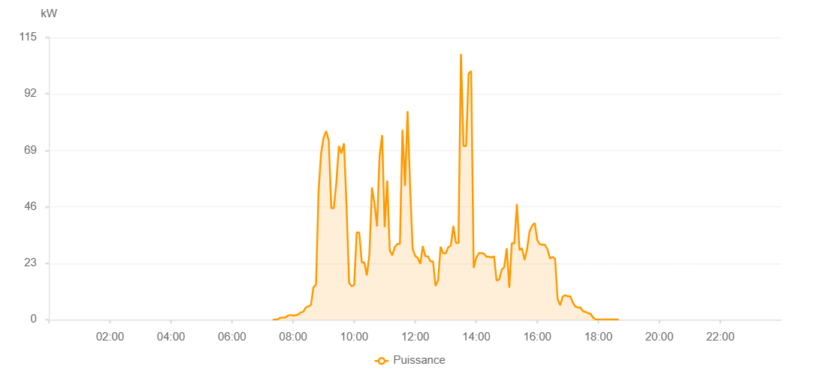

Number | Time | Working State | PV(W) | Instantaneous Radiation(W/㎡)
1 | 07:20:00 | Online | 20.00000 | 0
2 | 07:25:00 | Online | 110.00000 | 0
3 | 07:30:00 | Online | 230.00000 | 0
4 | 07:35:00 | Online | 800.00000 | 2.00000
5 | 07:40:00 | Online | 860.00000 | 5.00000
6 | 07:45:00 | Online | 950.00000 | 7.00000
7 | 07:50:00 | Online | 1650.00000 | 9.00000
8 | 07:55:00 | Online | 1960.00000 | 12.00000
9 | 08:00:00 | Online | 1650.00000 | 13.00000
10 | 08:05:00 | Online | 1740.00000 | 14.00000
11 | 08:10:00 | Online | 2170.00000 | 14.00000
12 | 08:15:00 | Online | 2930.00000 | 19.00000
13 | 08:20:00 | Online | 3240.00000 | 33.00000
14 | 08:25:00 | Online | 5030.00000 | 37.00000
15 | 08:30:00 | Online | 5440.00000 | 43.00000
16 | 08:35:00 | Online | 5900.00000 | 46.00000
17 | 08:40:00 | Online | 13240.00000 | 53.00000
18 | 08:45:00 | Online | 14250.00000 | 126.00000
19 | 08:50:00 | Online | 52290.00000 | 134.00000
20 | 08:55:00 | Online | 67750.00000 | 627.00000
21 | 09:00:00 | Online | 74290.00000 | 735.00000
22 | 09:05:00 | Online | 76850.00000 | 716.00000
23 | 09:10:00 | Online | 73130.00000 | 696.00000
24 | 09:15:00 | Online | 45480.00000 | 532.00000
25 | 09:20:00 | Online | 45480.00000 | 400.00000
26 | 09:25:00 | Online | 55950.00000 | 593.00000
27 | 09:30:00 | Online | 70810.00000 | 235.00000
28 | 09:35:00 | Online | 67790.00000 | 569.00000
29 | 09:40:00 | Online | 71910.00000 | 642.00000
30 | 09:45:00 | Online | 46330.00000 | 565.00000
31 | 09:50:00 | Online | 15070.00000 | 184.00000
32 | 09:55:00 | Online | 13640.00000 | 134.00000
33 | 10:00:00 | Online | 14190.00000 | 126.00000
34 | 10:05:00 | Online | 35500.00000 | 864.00000
35 | 10:10:00 | Online | 35500.00000 | 283.00000
36 | 10:15:00 | Online | 23330.00000 | 322.00000
37 | 10:20:00 | Online | 23330.00000 | 277.00000
38 | 10:25:00 | Online | 18050.00000 | 259.00000
39 | 10:30:00 | Online | 26820.00000 | 205.00000
40 | 10:35:00 | Online | 53850.00000 | 364.00000
41 | 10:40:00 | Online | 47370.00000 | 436.00000
42 | 10:45:00 | Online | 38010.00000 | 414.00000
43 | 10:50:00 | Online | 66710.00000 | 128.00000
44 | 10:55:00 | Online | 75220.00000 | 283.00000
45 | 11:00:00 | Online | 37690.00000 | 382.00000
46 | 11:05:00 | Online | 56690.00000 | 1012.00000
47 | 11:10:00 | Online | 28120.00000 | 460.00000
48 | 11:15:00 | Online | 26270.00000 | 307.00000
49 | 11:20:00 | Online | 29710.00000 | 230.00000
50 | 11:25:00 | Online | 30860.00000 | 263.00000
51 | 11:30:00 | Online | 30860.00000 | 263.00000
52 | 11:35:00 | Online | 77400.00000 | 662.00000
53 | 11:40:00 | Online | 54590.00000 | 1160.00000
54 | 11:45:00 | Online | 84950.00000 | 595.00000
55 | 11:50:00 | Online | 54070.00000 | 752.00000
56 | 11:55:00 | Online | 28920.00000 | 601.00000
57 | 12:00:00 | Online | 25950.00000 | 243.00000
58 | 12:05:00 | Online | 25160.00000 | 210.00000
59 | 12:10:00 | Online | 22780.00000 | 176.00000
60 | 12:15:00 | Online | 29990.00000 | 192.00000
61 | 12:20:00 | Online | 25840.00000 | 244.00000
62 | 12:25:00 | Online | 25840.00000 | 155.00000
63 | 12:30:00 | Online | 23790.00000 | 137.00000
64 | 12:35:00 | Online | 23790.00000 | 122.00000
65 | 12:40:00 | Online | 13740.00000 | 132.00000
66 | 12:45:00 | Online | 16090.00000 | 117.00000
67 | 12:50:00 | Online | 29700.00000 | 160.00000
68 | 12:55:00 | Online | 27080.00000 | 248.00000
69 | 13:00:00 | Online | 27080.00000 | 218.00000
70 | 13:05:00 | Online | 29540.00000 | 288.00000
71 | 13:10:00 | Online | 30190.00000 | 235.00000
72 | 13:15:00 | Online | 38210.00000 | 278.00000
73 | 13:20:00 | Online | 31290.00000 | 184.00000
74 | 13:25:00 | Online | 31290.00000 | 246.00000
75 | 13:30:00 | Online | 108350.00000 | 982.00000
76 | 13:35:00 | Online | 70720.00000 | 1037.00000
77 | 13:40:00 | Online | 70720.00000 | 293.00000
78 | 13:45:00 | Online | 100240.00000 | 669.00000
79 | 13:50:00 | Online | 101340.00000 | 907.00000
80 | 13:55:00 | Online | 21090.00000 | 892.00000
81 | 14:00:00 | Online | 25260.00000 | 157.00000
82 | 14:05:00 | Online | 27120.00000 | 254.00000
83 | 14:10:00 | Online | 27120.00000 | 201.00000
84 | 14:15:00 | Online | 26870.00000 | 293.00000
85 | 14:20:00 | Online | 25660.00000 | 202.00000
86 | 14:25:00 | Online | 25660.00000 | 187.00000
87 | 14:30:00 | Online | 25360.00000 | 192.00000
88 | 14:35:00 | Online | 25880.00000 | 777.00000
89 | 14:40:00 | Online | 15920.00000 | 150.00000
90 | 14:45:00 | Online | 16320.00000 | 132.00000
91 | 14:50:00 | Online | 20330.00000 | 191.00000
92 | 14:55:00 | Online | 21370.00000 | 153.00000
93 | 15:00:00 | Online | 29090.00000 | 422.00000
94 | 15:05:00 | Online | 13030.00000 | 460.00000
95 | 15:10:00 | Online | 31180.00000 | 104.00000
96 | 15:15:00 | Online | 31180.00000 | 630.00000
97 | 15:20:00 | Online | 47160.00000 | 631.00000
98 | 15:25:00 | Online | 28360.00000 | 345.00000
99 | 15:30:00 | Online | 29100.00000 | 133.00000
100 | 15:35:00 | Online | 24330.00000 | 121.00000
101 | 15:40:00 | Online | 28850.00000 | 344.00000
102 | 15:45:00 | Online | 36170.00000 | 239.00000
103 | 15:50:00 | Online | 38350.00000 | 478.00000
104 | 15:55:00 | Online | 39370.00000 | 446.00000
105 | 16:00:00 | Online | 32370.00000 | 159.00000
106 | 16:05:00 | Online | 30760.00000 | 403.00000
107 | 16:10:00 | Online | 30560.00000 | 379.00000
108 | 16:15:00 | Online | 30560.00000 | 358.00000
109 | 16:20:00 | Online | 28730.00000 | 115.00000
110 | 16:25:00 | Online | 24940.00000 | 81.00000
111 | 16:30:00 | Online | 25610.00000 | 60.00000
112 | 16:35:00 | Online | 24820.00000 | 52.00000
113 | 16:40:00 | Online | 8380.00000 | 54.00000
114 | 16:45:00 | Online | 5880.00000 | 43.00000
115 | 16:50:00 | Online | 9440.00000 | 37.00000
116 | 16:55:00 | Online | 9960.00000 | 40.00000
117 | 17:00:00 | Online | 9550.00000 | 42.00000
118 | 17:05:00 | Online | 9550.00000 | 37.00000
119 | 17:10:00 | Online | 6900.00000 | 33.00000
120 | 17:15:00 | Online | 5350.00000 | 26.00000
121 | 17:20:00 | Online | 4970.00000 | 24.00000
122 | 17:25:00 | Online | 4970.00000 | 24.00000
123 | 17:30:00 | Online | 3450.00000 | 22.00000
124 | 17:35:00 | Online | 3150.00000 | 20.00000
125 | 17:40:00 | Online | 2650.00000 | 14.00000
126 | 17:45:00 | Online | 2370.00000 | 10.00000
127 | 17:50:00 | Online | 750.00000 | 7.00000
128 | 17:55:00 | Online | 130.00000 | 2.00000
129 | 18:00:00 | Online | 90.00000 | 0
130 | 18:05:00 | Online | 90.00000 | 0
131 | 18:10:00 | Online | 40.00000 | 0
132 | 18:15:00 | Online | 40.00000 | 0
133 | 18:20:00 | Online | 40.00000 | 0
134 | 18:25:00 | Online | 40.00000 | 0
135 | 18:30:00 | Online | 40.00000 | 0
136 | 18:35:00 | Online | 40.00000 | 0
137 | 18:40:00 | Online | 40.00000 | 0
138 | 19:05:00 | Online | 0.00001 | 0.00001

